Natural PT
Table 1. Round, 1.55 to 1.99, Ideal Cut Natural Diamond Average of price per carat
Average of price /Ct | Column Labels
Row Labels | FL | IF | VVS1 | VVS2 | VS1 | VS2 | SI1 | SI2 | Grand Total
D | $20,262 | $16,099 | $15,005 | $9,740 | $9,439 | $10,544 | $7,159 | $4,495 | $11,593
E | $18,656 | $13,455 | $11,622 | $9,864 | $9,914 | $9,270 | $6,475 | $3,970 | $10,403
F | $17,202 | $12,027 | $10,550 | $9,930 | $9,123 | $7,487 | $5,410 | $4,031 | $9,470
G | $12,443 | $10,061 | $11,195 | $11,131 | $9,009 | $8,699 | $7,359 | $5,910 | $9,476
H | $8,446 | $11,099 | $9,200 | $9,576 | $8,621 | $6,814 | $6,538 | $4,358 | $8,048
I |  | $8,084 | $7,124 | $6,638 | $6,232 | $5,831 | $4,717 | $4,261 | $6,127
J | $7,649 | $7,976 | $6,492 | $6,034 | $5,576 | $4,871 | $4,570 | $3,323 | $5,644
K |  | $5,669 | $4,675 | $4,669 | $3,992 | $3,614 | $3,397 | $2,964 | $4,140
Grand Total | $15,842 | $10,559 | $9,483 | $8,448 | $7,738 | $7,141 | $5,703 | $4,164 | $8,239

 | FL | IF | VVS1 | VVS2 | VS1 | VS2 | SI1 | SI2
D | $20,262 | $16,099 | $15,005 | $9,740 | $9,439 | $10,544 | $7,159 | $4,495
E | $18,656 | $13,455 | $11,622 | $9,864 | $9,914 | $9,270 | $6,475 | $3,970
F | $17,202 | $12,027 | $10,550 | $9,930 | $9,123 | $7,487 | $5,410 | $4,031
G | $12,443 | $10,061 | $11,195 | $11,131 | $9,009 | $8,699 | $7,359 | $5,910
H | $8,446 | $11,099 | $9,200 | $9,576 | $8,621 | $6,814 | $6,538 | $4,358
I |  | $8,084 | $7,124 | $6,638 | $6,232 | $5,831 | $4,717 | $4,261
J | $7,649 | $7,976 | $6,492 | $6,034 | $5,576 | $4,871 | $4,570 | $3,323
K |  | $5,669 | $4,675 | $4,669 | $3,992 | $3,614 | $3,397 | $2,964

Lab Made PT
Table 2. Round, 1.55 to 1.99, Ideal Cut Lab-Made Diamond Average of price per carat
Average of price /Ct | Column Labels
Row Labels | IF | VVS1 | VVS2 | VS1 | VS2 | SI1 | SI2 | Grand Total
D | $4,228 | $3,142 | $2,715 | $2,080 | $1,914 | $1,593 | $1,458 | $2,447
E | $3,697 | $2,765 | $2,279 | $2,006 | $1,845 | $1,488 | $1,309 | $2,198
F | $3,124 | $2,483 | $2,218 | $1,868 | $1,693 | $1,489 | $1,225 | $2,014
G | $2,794 | $2,049 | $1,770 | $1,600 | $1,426 | $1,262 | $968 | $1,695
H |  | $1,855 | $1,522 | $1,411 | $1,268 | $1,261 | $1,036 | $1,392
I |  | $1,447 | $1,353 | $1,295 | $1,181 | $1,060 | $1,037 | $1,216
J |  | $1,030 | $1,068 | $1,007 | $1,034 | $1,004 | $994 | $1,023
K |  |  | $1,322 | $745 | $639 | $605 | $554 | $773
Grand Total | $3,461 | $2,143 | $1,781 | $1,502 | $1,375 | $1,220 | $1,073 | $1,653

 | IF | VVS1 | VVS2 | VS1 | VS2 | SI1 | SI2
D | $4,228 | $3,142 | $2,715 | $2,080 | $1,914 | $1,593 | $1,458
E | $3,697 | $2,765 | $2,279 | $2,006 | $1,845 | $1,488 | $1,309
F | $3,124 | $2,483 | $2,218 | $1,868 | $1,693 | $1,489 | $1,225
G | $2,794 | $2,049 | $1,770 | $1,600 | $1,426 | $1,262 | $968
H |  | $1,855 | $1,522 | $1,411 | $1,268 | $1,261 | $1,036
I |  | $1,447 | $1,353 | $1,295 | $1,181 | $1,060 | $1,037
J |  | $1,030 | $1,068 | $1,007 | $1,034 | $1,004 | $994
K |  |  | $1,322 | $745 | $639 | $605 | $554

Scatter Chart
Price/Ct VS Color-Natural
 | 1 | 2 | 3 | 4 | 5 | 6 | 7 | Average
1 | $16,099 | $15,005 | $9,740 | $9,439 | $10,544 | $7,159 | $4,495 | $10,354
2 | $13,455 | $11,622 | $9,864 | $9,914 | $9,270 | $6,475 | $3,970 | $9,224
3 | $12,027 | $10,550 | $9,930 | $9,123 | $7,487 | $5,410 | $4,031 | $8,366
4 | $10,061 | $11,195 | $11,131 | $9,009 | $8,699 | $7,359 | $5,910 | $9,052
5 | $11,099 | $9,200 | $9,576 | $8,621 | $6,814 | $6,538 | $4,358 | $8,029
6 | $8,084 | $7,124 | $6,638 | $6,232 | $5,831 | $4,717 | $4,261 | $6,127
7 | $7,976 | $6,492 | $6,034 | $5,576 | $4,871 | $4,570 | $3,323 | $5,549
8 | $5,669 | $4,675 | $4,669 | $3,992 | $3,614 | $3,397 | $2,964 | $4,140
Average | $10,559 | $9,483 | $8,448 | $7,738 | $7,141 | $5,703 | $4,164

Price/Ct VS Color-LabMade
 | D | E | F | G | H | I | J | K
 | 4228 | 3697 | 3124 | 2794
 | 3142 | 2765 | 2483 | 2049 | 1855 | 1447 | 1030
 | 2715 | 2279 | 2218 | 1770 | 1522 | 1353 | 1068 | 1322
 | 2080 | 2006 | 1868 | 1600 | 1411 | 1295 | 1007 | 745
 | 1914 | 1845 | 1693 | 1426 | 1268 | 1181 | 1034 | 639
 | 1593 | 1488 | 1489 | 1262 | 1261 | 1060 | 1004 | 605
 | 1458 | 1309 | 1225 | 968 | 1036 | 1037 | 994 | 554
 | 1 | 2 | 3 | 4 | 5 | 6 | 7 | Average
1 | 4228 | 3142 | 2715 | 2080 | 1914 | 1593 | 1458 | 2447
2 | 3697 | 2765 | 2279 | 2006 | 1845 | 1488 | 1309 | 2198
3 | 3124 | 2483 | 2218 | 1868 | 1693 | 1489 | 1225 | 2014
4 | 2794 | 2049 | 1770 | 1600 | 1426 | 1262 | 968 | 1695
5 |  | 1855 | 1522 | 1411 | 1268 | 1261 | 1036 | 1392
6 |  | 1447 | 1353 | 1295 | 1181 | 1060 | 1037 | 1216
7 |  | 1030 | 1068 | 1007 | 1034 | 1004 | 994 | 1023
8 |  |  | 1322 | 745 | 639 | 605 | 554 | 773
Average | 3461 | 2143 | 1781 | 1502 | 1375 | 1220 | 1073 | 1653

Price/Ct VS Clarity- Natural
Price/Ct VS Clarity- Lab Made
 | IF | VVS1 | VVS2 | VS1 | VS2 | SI1 | SI2
 | 4228 | 3142 | 2715 | 2080 | 1914 | 1593 | 1458
 | 3697 | 2765 | 2279 | 2006 | 1845 | 1488 | 1309
 | 3124 | 2483 | 2218 | 1868 | 1693 | 1489 | 1225
 | 2794 | 2049 | 1770 | 1600 | 1426 | 1262 | 968
 |  | 1855 | 1522 | 1411 | 1268 | 1261 | 1036
 |  | 1447 | 1353 | 1295 | 1181 | 1060 | 1037
 |  | 1030 | 1068 | 1007 | 1034 | 1004 | 994
 |  |  | 1322 | 745 | 639 | 605 | 554

Sheet2
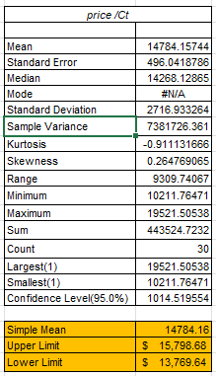
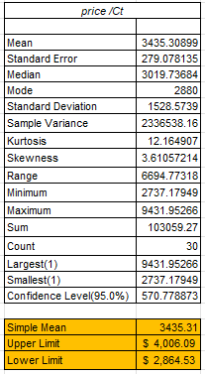
Natural Scatter Plot
 | #REF! | IF | SI1 | SI2 | VS1 | VS2 | VVS1 | VVS2
D | 1 | $16,098.58 | $7,158.97 | $4,495.31 | $9,439.12 | $10,543.70 | $15,004.92 | $9,739.85
E |  | $13,454.77 | $6,475.23 | $3,969.74 | $9,914.31 | $9,269.87 | $11,622.18 | $9,863.88
F |  | $12,027.33 | $5,409.64 | $4,031.04 | $9,123.36 | $7,486.92 | $10,550.33 | $9,930.45
G |  | $10,061.41 | $7,359.00 | $5,909.63 | $9,008.74 | $8,698.72 | $11,194.88 | $11,131.25
H |  | $11,098.86 | $6,538.00 | $4,357.63 | $8,620.78 | $6,814.12 | $9,200.13 | $9,576.34
I |  | $8,084.06 | $4,717.44 | $4,261.13 | $6,232.34 | $5,831.04 | $7,123.60 | $6,637.67
J |  | $7,975.96 | $4,570.49 | $3,323.31 | $5,576.22 | $4,870.72 | $6,492.35 | $6,033.93
K |  | $5,669.30 | $3,397.06 | $2,963.88 | $3,991.66 | $3,614.36 | $4,675.36 | $4,668.74
M |  | $4,144.60 | $2,450.57 | $1,991.62 | $3,040.49 | $2,691.50 | $3,791.32 | $3,276.69
Natural Diamond Data |  | Lab Made Diamond Data
Price/Ct VS Clarity- Natural
 | IF | VVS1 | VVS2 | VS1 | VS2 | SI1 | SI2
 | $16,098.58 | $15,004.92 | $9,739.85 | $9,439.12 | $10,543.70 | $7,158.97 | $4,495.31
 | $13,454.77 | $11,622.18 | $9,863.88 | $9,914.31 | $9,269.87 | $6,475.23 | $3,969.74
 | $12,027.33 | $10,550.33 | $9,930.45 | $9,123.36 | $7,486.92 | $5,409.64 | $4,031.04
 | $10,061.41 | $11,194.88 | $11,131.25 | $9,008.74 | $8,698.72 | $7,359.00 | $5,909.63
 | $11,098.86 | $9,200.13 | $9,576.34 | $8,620.78 | $6,814.12 | $6,538.00 | $4,357.63
 | $8,084.06 | $7,123.60 | $6,637.67 | $6,232.34 | $5,831.04 | $4,717.44 | $4,261.13
 | $7,975.96 | $6,492.35 | $6,033.93 | $5,576.22 | $4,870.72 | $4,570.49 | $3,323.31
 | $5,669.30 | $4,675.36 | $4,668.74 | $3,991.66 | $3,614.36 | $3,397.06 | $2,963.88
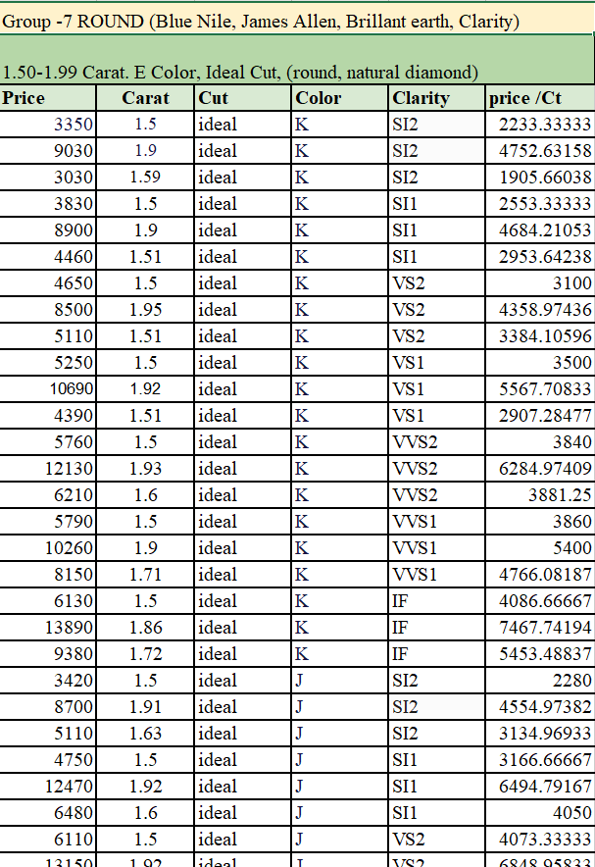
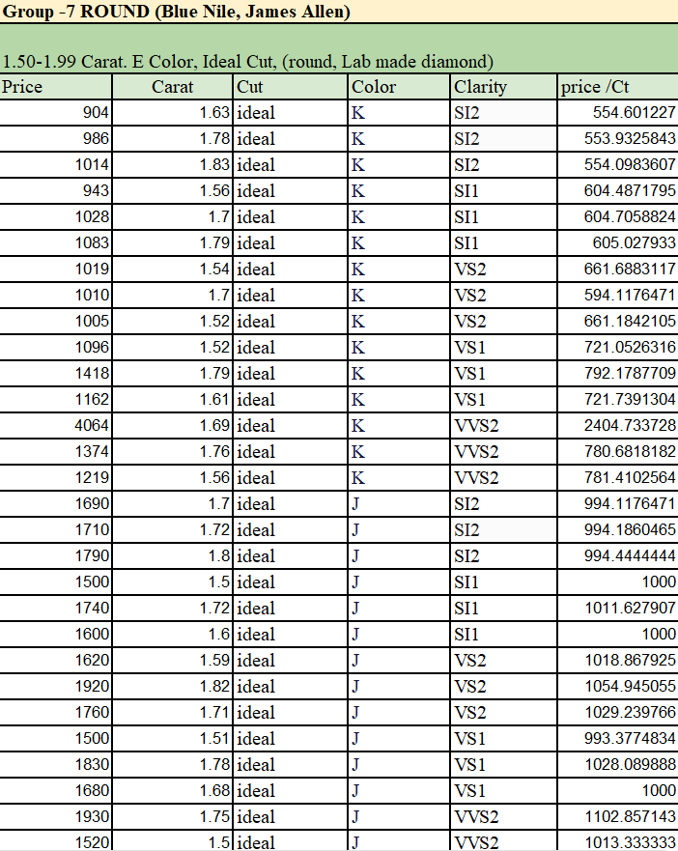

Lab scatter
 | IF | SI1 | SI2 | VS1 | VS2 | VVS1 | VVS2
D | $4,228.10 | $1,593.17 | $1,457.67 | $2,080.43 | $1,913.80 | $3,142.33 | $2,715.00
E | $3,697.13 | $1,487.73 | $1,308.53 | $2,006.03 | $1,845.23 | $2,765.37 | $2,278.63
F | $3,124.30 | $1,488.67 | $1,224.83 | $1,868.23 | $1,692.77 | $2,482.90 | $2,217.73
G | $2,794.23 | $1,261.60 | $967.70 | $1,600.30 | $1,425.73 | $2,048.60 | $1,769.63
H |  | $1,260.60 | $1,035.80 | $1,411.00 | $1,267.70 | $1,855.47 | $1,521.53
I |  | $1,059.53 | $1,037.03 | $1,295.50 | $1,181.23 | $1,447.45 | $1,352.87
J |  | $1,003.88 | $994.25 | $1,007.16 | $1,034.35 | $1,030.27 | $1,067.90
K |  | $604.74 | $554.21 | $744.99 | $639.00 |  | $1,322.28
Price/Ct VS Clarity- Lab Made
 | IF | VVS1 | VVS2 | VS1 | VS2 | SI1 | SI2
 | $4,228.10 | $3,142.33 | $2,715.00 | $2,080.43 | $1,913.80 | $1,593.17 | $1,457.67
 | $3,697.13 | $2,765.37 | $2,278.63 | $2,006.03 | $1,845.23 | $1,487.73 | $1,308.53
 | $3,124.30 | $2,482.90 | $2,217.73 | $1,868.23 | $1,692.77 | $1,488.67 | $1,224.83
 | $2,794.23 | $2,048.60 | $1,769.63 | $1,600.30 | $1,425.73 | $1,261.60 | $967.70
 |  | $1,855.47 | $1,521.53 | $1,411.00 | $1,267.70 | $1,260.60 | $1,035.80
 | $5,691.27 | $4,251.23 | $1,352.87 | $1,295.50 | $1,181.23 | $1,059.53 | $1,037.03
 |  | $1,030.27 | $1,067.90 | $1,007.16 | $1,034.35 | $1,003.88 | $994.25
 |  |  | $1,322.28 | $744.99 | $639.00 | $604.74 | $554.21

Price/Ct VS Color-Natural
 | E
 | $13,454.77
 | $11,622.18
 | $9,863.88
 | $9,914.31
 | $9,269.87
 | $6,475.23
 | $3,969.74
Price/Ct VS Clarity- Natural
 | VS1
 | $9,439.12
 | $9,914.31
 | $9,123.36
 | $9,008.74
 | $8,620.78
 | $6,232.34
 | $5,576.22
 | $3,991.66

 | IF | SI1 | SI2 | VS1 | VS2 | VVS1 | VVS2
D | 4228.1 | 1593.1666667 | 1457.6666667 | 2080.4333333 | 1913.8 | 3142.3333333 | 2715
E | 3697.1333333 | 1487.7333333 | 1308.5333333 | 2006.0333333 | 1845.2333333 | 2765.3666667 | 2278.6333333
F | 3124.3 | 1488.6666667 | 1224.8333333 | 1868.2333333 | 1692.7666667 | 2482.9 | 2217.7333333
G | 2794.2333333 | 1261.6 | 967.7 | 1600.3 | 1425.7333333 | 2048.6 | 1769.6333333
H | 0 | 1260.6 | 1035.8 | 1411 | 1267.7 | 1855.4666667 | 1521.5333333
I | 0 | 1059.5333333 | 1037.0333333 | 1295.5 | 1181.2333333 | 1447.45 | 1352.8666667
J | 0 | 1003.875969 | 994.24937933 | 1007.1557905 | 1034.3509153 | 1030.270406 | 1067.8968253
K | 0 | 604.74033163 | 554.210724 | 744.99017763 | 638.9967231 | 0 | 1322.2752675

 |  |  |  | Lab Made price/ct vs Natural Diamond price/ct
Price/Ct VS Color-LabMade
 | E
 | $3,697.13
 | $2,765.37
 | $2,278.63
 | $2,006.03
 | $1,845.23
 | $1,487.73
 | $1,308.53
Price/Ct VS Clarity- Lab Made
 | VS1
 | $2,080.43
 | $2,006.03
 | $1,868.23
 | $1,600.30
 | $1,411.00
 | $1,295.50
 | $1,007.16
 | $744.99

 |  |  |  | Heat Map | IF | SI1 | SI2 | VS1 | VS2 | VVS1 | VVS2
 |  |  |  | D | 26.26% | 22.25% | 32.43% | 22.04% | 18.15% | 20.94% | 27.88%
 |  |  |  | E | 27.48% | 22.98% | 32.96% | 20.23% | 19.91% | 23.79% | 23.10%
 |  |  |  | F | 25.98% | 27.52% | 30.39% | 20.48% | 22.61% | 23.53% | 22.33%
 |  |  |  | G | 27.77% | 17.14% | 16.37% | 17.76% | 16.39% | 18.30% | 15.90%
 |  |  |  | H | 0.00% | 19.28% | 23.77% | 16.37% | 18.60% | 20.17% | 15.89%
 |  |  |  | I | 0.00% | 22.46% | 24.34% | 20.79% | 20.26% | 20.32% | 20.38%
 |  |  |  | J | 0.00% | 21.96% | 29.92% | 18.06% | 21.24% | 15.87% | 17.70%
 |  |  |  | K | 0.00% | 17.80% | 18.70% | 18.66% | 17.68% | 0.00% | 28.32%
 | Natural Diamond |  | Lab made Diamond

Regression
Price/Ct VS Clarity- Natural
 | VS1
 | $9,439
 | $9,914
 | $9,123
 | $9,009
 | $8,621
 | $6,232
 | $5,576
 | $3,992
Price/Ct VS Color-Natural
 | E
 | $13,455
 | $11,622
 | $9,864
 | $9,914
 | $9,270
 | $6,475
 | $3,970

Price/Ct VS Color-LabMade
 | E
 | 3697
 | 2765
 | 2279
 | 2006
 | 1845
 | 1488
 | 1309
Price/Ct VS Clarity- Lab Made
 | VS1
 | 2080
 | 2006
 | 1868
 | 1600
 | 1411
 | 1295
 | 1007
 | 745

